MIFC (3)
PART FLOW
INFORMATION
 | GPS OPERATION IMPROVEMENT |  |  |  |  | Legend:

Monthly order Forecast by 23th of N-1
2.Daily order
Kanban
2. Milk run
X-DOCK
1.Direct to TMV
K/B
K/B
K/B
K/B
K/B
In put in WH card
Repacking by min Lot
K/B
K/B
K/B
Check actual receiving & Sign
K/B
Follow up Kanban check sheet
Sorting kanban by cycle
Issue request sheet
CURRENT | Category | TMV ORDERING | SUPPLIER | X-DOCK | TMV RECEIVING | BINNING | REPACKING | PICKING | DELIVERY | SORTING KANBAN | SHOP
 | MIFC
K/B
K/B
K/B
Issue request sheet
Non Kanban
1. Kanban
2. Request sheet
1. Direct to TMV
K/B
K/B
1. Fix delivery plan

 |  |  |  |  |  |  |  |  |  |  | No G-I

 | Management Tool | - Material list (Part No, G-i) | - Order by Excell file | - Delivery plan | - Delivery plan | - Stock card |  | Kanban | Request sheet | Kanban | Request sheet
 |  | - Production plan by Excell | - Delivery plan |  | - Invoice / Delivery note |  |  | Request sheet | Kanban check sheet
 |  | - Getsudo volume |  |  | - Hard Kanban |  |  | Kanban check sheet
 |  | - Stock taking |  |  | - Kanban follow check sheet
 | Operation Flow | 1. Monthly order | - Make delivery plan | - Make delivery plan | - Check actual receiving vs Invoice/Delivery note | - Move to rack (By experience) | - Repacking by min lot | - Prepare material follow | - Check actuak vs kanban check sheet/ request sheet | Sorting kanban by cycle
 |  | Shop order to GPS | - Make invoice / delivery note | - Prepare goods | - Check invoice/delivery note vs delivery plan/kanban record Check sheet | - Write on WH card |  | kanban check sheet & request sheet | - Receive new kanban & request sheet
 |  | GPS x-check, summary order | - Prepare goods | - Delivery to TMV | - Take Kanban to supplier, count and write 1x1 Kanban on check sheet | - In put on oracle |  | - Write on WH card | - Check kanban vs follow up kanban check sheet
 |  | Make PR on Oracle | - Print label and attach Kanban on box |  | - If have any damage/shortage/over=> GPS inform to PPD, PUD | - Input in abnormal file follow |  | - Sorting by process
 |  | - Make Receiving plan | - Delivery to TMV |  | - Record kanban out in check sheet follow kanban and send to suppliers |  |  | - Stick kanban on material
 |  | 2. Daily order |  |  | - Manual input on oracle |  |  | - In put on oracle
 |  | Send q'ty of kanban out to supplier |  |  | - Oracle close normal from 1-6th, PUD make PR => GPS can input on Oracle |  |  | - Input on excel file ( 2 files : Kanban& Request sheet)
 | Kadai | (1)Double jobs : PPD & Shop order | (3) PUSH order by monthly | (4) No STD packing | (5) MANUALLY CHECK/INPUT receiving quantity | (6)LONGTIME BINING: |  | (7)LONGTIME PICKING & MANUAL INPUT |  |  | (8): Manual input actual receiving in excel file
 |  | (2) MANUAL calculate and order | Not reflect previous day stock to order timely |  | Take time and Risk of wrong checking | - Take time to move goods to WH |  | - Take time to prepare material
 |  | Risk of mistake/ wrong calculation |  |  | Not real time reflect to stock data | - Take time to write WH card |  | - Take time to write WH card
 |  |  |  |  | - GPS depend FI, PUD to input data |  |  | - Manual input => Wrong transaction
 | Kadai | (1)Double jobs : PPD & Shop order | (3) PUSH order by monthly |  | - Take time to control actual goods receiving | - Take time to move goods to WH |  | - Take time to prepare material | - Double jobs : Both GPS & Shop input in control file
 |  | (2) MANUAL calculate and order | Not reflect previous day stock to order timely |  | - Take time to record kanban out in check sheet & send q'ty via email | - Take time to write WH card |  | - Take time to write WH card
 |  |  |  |  | - Risk of wrong data on Oracle due to manual input and take time to input |  |  | - Manual input => Wrong transaction
 |  |  |  |  | - GPS depend FI, PUD to input data => Not real time stock control

PROPOSAL | Category | TMV ORDERING | SUPPLIER | X-DOCK | TMV RECEIVING | BINNING | REPACKING | PICKING | DELIVERY | SORTING KANBAN | SHOP | LINE
Pro Plan
Genta-I
NPR
❶
Rundown FC
Innitial stock
❷
Daily order
PICKUP Tablet
❼
Daily Request delivery by tablet/ phone
❽
LINE
Monthly order Forecast by 23th of N-1
PO
RECEIVING ANDON
1/ Truck arrival progress
2/ Unloading status
BINING ANDON
❸
SUP
K/B
❺
K/B
K/B
K/B
K/B
K/B
K/B
K/B
K/B
K/B
K/B
Check actual receiving & Sign
 | MIFC
Del to TMV by milkrun/direct
Select shop code
❻
Scan localtion
K/B
K/B
❹
K/B
Scan localtion check corect location( cosider bo di)
Scan Dolly No
Repacking by min Lot
Dolly go to nearness location

SHOP
Sub WWH
 |  |  |  | - Scan Dolly code
 |  |  |  |  |  |  |  |  |  |  | Set up G-I => inform to GPS
K/B
K/B
K/B
K/B
K/B
K/B

Tablet

 | Operation | 1. Monthly order | - Make delivery plan | - Prepare goods | Scan invoice to show list receiving - Link with receiving screen | - Big Material |  | - Select shop code | - Move materil of shop in e-car |  | - Sort kanban cycle
 |  | Generate order on Email Kanban | - Make invoice / delivery note | - Print Kanban & Stick on box | - Receiving screen control actual receiving | Scan in kanban & Location |  | - Take kanban on kanban sorting location | - Deliver to Locker of shop
 |  |  | - Prepare goods | - Delivery to TMV | Match plan<> actual: change from white to green | - Small material : |  | - Take kanban & list in dolly | - Put material in locker and take kanban
 |  | 2. Daily order | - Print Kanban & Stick on box |  | Unmatch plan<> actual: change from white to red | Scan dolly code & read nearness location |  |  | - Shop open locker and check actual receiving by ipad
 |  | Send daily order to suppliers | - Delivery to TMV |  | - Scan dolly, Scan Kanban => Put material on dolly | Go to location & scan in Location |  | - Screen List up all material | - If OK, in put OK, NG: Input actual/Feedback to GPS
 |  |  |  |  | - When materil in dolly is full, member will scan next dolly code | Scan barcode |  | - Read nearness location
 |  |  |  |  |  |  |  | - Scan Location & Scan barcode of material, all items will be count down
 |  |  |  |  |  |  |  | - Pickup part and list kanban on material
 |  |  |  |  | * Dolly code : need to set up with purpose when member go in WH with dolly, dolly code know how many materials in dolly and machine know and guiline to member go to nearness location

 | Countermeasure | 1. SHOP Set G-I all part |  | 4. STD packing GPS | 5. QR CODE SCANNING SYSTEM | 6. QR CODE SCANNING SYSTEM |  | 7. QR CODE SCANNING SYSTEM |  |  | 8. SHOP ORDER SYSTEMS
 |  |  |  |  | RECEIVING SCREEN | BINNING SCREEN |  | PICNING SCREEN
 |  | 2. USE EMAIL KANBAN FOR ORDER | 3. USE EMAIL KANBAN FOR ORDER & GPS SYSTEMS TO CONTROL STOCK

 |  |  |  |  | Print lable

 |  | - Software to converse order |  |  | Barcode system | Andon sceen
 |  | by kanban |  |  | Scan machine
 |  |  |  |  | Andon sceen

Final
CURRENT

ORDERING
SUPPLIER
REVEIVING
WAREHOUSE
PICKING & DELIVERY
PRODUCTION LINE
Kadai:
Shop order
15th of N-1
PO number
3
(1) Shop manual order =>
- Take time for order & transection
- GPS take time for sorting kanban
(2) Line side stock out of control ( no out information )
(3) Long/High/low stock is not visualized
(4) Take time for input actual receiving/deliver in to system
(5) No have part receiving progress management tool
(6) GPS manual order => take time

In qty/PO No
Input Out qty
Stock
control Sys
PUD converse
PR -> PO
4
4

GPS Monthly
order By excell
(25th N-1)
Kanban/next del time ( D-ω)
Kanban/request sheet ( S-1)
Sorting Kanban
+ Record act. receceive
+ Next deliver qty in confirmation sheet
6
5
Delivery note
ω: Delivery freq.
1
Plus/Minus in/out card

PO/month vol
Supplier
K/B
K/B

Apply Kanban
To GPS
GPS W/H
Daily/GPS member
Check actual receiving & Sign

Plus/Minus in/out card
Request < Min lot =>
supply at oil store
Kanban ( same shift-~2H)

K/B
Oil W/H
K/B
K/B
K/B
K/B
K/B
K/B
K/B
K/B

Delivery note
C/M:
Kanban/next del time ( D-ω)
Daily/GPS member
Check actual receiving & Sign
1
2
(1) Shop order by tablet/scan kanban
(2) Set in/out signal & Visualize line side stock
(3) Set up system auto-calculate stock level & visualize abnomality
(4) Develop QR system to scan in/out
(5) Visualize part receiving progress by monitor
(6) Develop system to auto-calculate order
K/B
ω: Delivery freq.
K/B
supplier
Sub W/H
K/B
K/B
K/B
K/B
Direct to shop
Shop member
Shop member

Email( Call to confirm)

Reach Order Point

PO/month vol
Supplier
Oil tank W/H
Liquid metter/each shop

Apply Order Point

Stock
control Sys
Input out qty
Sorting Kanban
Kanban/request sheet ( D-1)

In qty/PO No
Plus/Minus in/out card

PO/month vol
Supplier
K/B
K/B
Fix delivery plan
GPS W/H
Daily/GPS member

2
K/B
K/B
K/B
K/B
K/B
Sub W/H
K/B
Shop member
Shop member

FUTURE | Đánh số operation | TMAC

ORDERING
SUPPLIER
REVEIVING
WAREHOUSE
PICKING & DELIVERY
PRODUCTION LINE
Line side stock DMO/end day
Pro. Plan/ color plan
Shop order/gentan-I
D-8 of N-1
( computer)
ALC
E-kanban /PO No/YV/qty
Base on simulationt stock next-next del
10
E-kanban
9
WH stock end day
4

8
Monthly order
control
WH stock
control
Reject/
warning
Receiving monitor
PICKUP Tablet
6
Daily order
control
Cost center/YV /Qty/( D-1)

YV/stock qty
7
Actual qty
QR( PO No/YV/qty/pro date)
Shop/Location/
YV/Qty/date( D-1)
Partial reject/pending
GPS Monthly
Forecast by D-5
of N-1

Month volume FC
Supplier
K/B
K/B
GPS W/H
Apply Kanban
Daily/GPS member
Tablet/computer

K/B
K/B
K/B
K/B
K/B
K/B
K/B
K/B
Oil W/H

Daily/GPS member
Tablet/computer
QR( PO No/YV
/qty/pro date)
Cost center/YV/qty
Sub WH
stock control

K/B
K/B
Sub W/H
K/B
K/B
K/B
K/B
Shop member
Daily/Paint member

Input when receive
Input monthly
Sub WH
stock control
Email/call

Reach Order Point
Month vol FC
/ excell

Supplier
Oil tank W/H
Liquid metter/each shop

Apply Order Point
-Actual Out qty/cost center
-Auto-allocate oldest PO No ?
QR( PO No/YV/qty/pro date)
WH stock
control
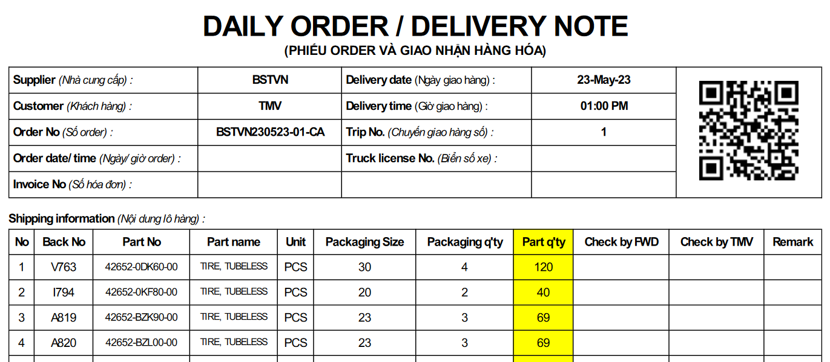
PICKUP Tablet
Shop order
control
Cost center/YV /Qty/( D-1)

Actual qty
Shop/Location
/YV/Qty/date( D-1)
Partial reject/pending

Supplier
K/B
PO/delivery plan
K/B
Fix delivery plan
GPS W/H
Daily/GPS member
Tablet/computer

K/B
K/B
Sub W/H
K/B
K/B
K/B
K/B

Shop member
Daily/Paint member

